1. Title Page
[Instacart Grocery Basket Analysis]

Project Name: Instacart Grocery Basket Analysis
Date: 29.07.2024
Analyst Name: Asawer Maknoon

Contents:
Population Flow
Consistency checks
Wrangling steps
Column derivations
Visualizations
Recommendations

Data Source:
“The Instacart Online Grocery Shopping Dataset 2017”, Accessed from https://www.instacart.com/datasets/grocery-shopping-2017 on November 10, 2022.
Customer data and the “prices” column in the products data set were fabricated for the purpose of this course.

2. Population Flow
Title page

Population flow

Exclusion flag
Condition: max_order < 5
Obervations to be removed:
Final total count of order_products_all: 32,404,859

Orders_products_combined
Orders_products_merged
Orders_products_all

Total: 32,404,859
Total: 32,434,489
Total: 32,404,859

1.) The grey boxes in the first row of the population flow represent the original data sets as they were when you downloaded them. In the Total fields you need to add the count of the rows when you imported the data set into Jupyter.
2.) The second row of boxes (coloured) represents the data sets after you manipulated them, e.g., removed missing values and duplicates. In the Total fields you need to add the count of the rows after conducting these operations. This offers a visual oveview of how the data flows throughout the data consistency checks.
3.) The third row, where also the arrows are coloured, represents the merges you performed between the datasets. In the Total fields you need to add the count of the rows in the merged datasets, so that you end up with the final dataset (in the red box). Keep in mind the final dataset should be without exclusions (based on the exclusion flag).

3. Consistency checks
 |  |  |  | Title page
Consistency checks

Dataset | Missing values | Missing values treatment | Duplicates
orders | days_since_prior_order has 206,209 |  | No duplicates
products | product_name has 16 |  | There were 5 duplicates in this dataframe but they were dropped from the dataframe.
orders_products_prior | None |  | No duplicates
customers | first_name :11,259 |  | No duplicates

4. Wrangling steps
 |  |  |  |  | Title page
Wrangling steps

Dataframe | Columns dropped | Columns renamed | Columns' type changed | Comment/Reason
Orders |  | Orders_dow |  | changed to orders_of_week for readabilty und understanding
 | Oval_set_merge |  |  | does not contain essential information for the analysis
 |  |  | order_id , user_id and Orders_number | converted to string
'Departments |  |  | Index | data is transposed, an index and a new header were added
Customers |  | First Name |  | changed to lower case for consistency
 |  | Surnam
 |  | Gender
 |  | STATE
 |  | Age

5. Column derivations
 |  |  |  | Title page

Column derivations and aggregations

In this tab you should add tables below that the frequences of flags/label variables that you produced after deriving them. NB: don't do this for continuous variables, only for flags.
Dataset | New column | Column/s it was derived from | Conditions
ords_prods_merged_derived | price_label | prices | If price <=5, then low-range product. If else price > 5 and <= 15, then mid-range product. If else price > 15, then high-range product.
 | busiest_day | order_dow | If day 0 then busiest day. If day 4 then least busy day. If else, then regularly busy.
 | busiest_hours | order_hour_of_day | If hour of day < list_quantile[2] then fewest orders. If else hour of day >= list_quantile[2] and <=list_quantile [1] then average orders. If else hour of day >=list_quantile [1] then most orders.

ords_prods_merged_grouped | max_order | user_id, order_number | Maximum number of orders
 | loyalty_flag | max_order | If max_order > 40 then loyal customer. If max order <=40 and > 10 then regular customer. If max order <= 10 then new customer.
 | average_spend | user_id, prices | Average prices of products ordered by user
 | spender_flag | average_spend | If avg price < 10 then low spender. If avg price >=10 then high spender.
 | customer_frequency | user_id, days_since_prior_order | Median number of days since prior order
 | customer_frequency_type | user_frequency | If median_days_since_prior_order > 20, then non frequent customer. If median_days_since_prior_order <=20 and >10, then regular customer. If median_days_since_prior_order <=10 then frequent customer.

orders_products_combined_2 | region | state | Northeast=['Maine','New Hampshire','Vermont','Massachusetts','Rhode Island','Connecticut','New York','Pennsylvania','New Jersey'] Midwest=['Wisconsin','Michigan','Illinois','Indiana','Ohio','North Dakota','South Dakota','Nebraska','Kansas','Minnesota','Iowa','Missouri'] South=['Delaware','Maryland','District of Columbia','Virginia','West Virginia','North Carolina','South Carolina','Georgia','Florida','Kentucky', 'Tennessee','Mississippi','Alabama','Oklahoma','Texas','Arkansas','Louisiana'] West=['Idaho','Montana','Wyoming','Nevada','Utah','Colorado','Arizona','New Mexico','Alaska','Washington','Oregon','California','Hawaii']
 | customer_activity_flag | max_order
 | age_group | age | If age <=25 then young adult. If age>25 & <45then adult, if age >= 45 &<65 then Older adult. If age >=65 then senior.
 | income_group | income | If income <=50000 then low . If income >=50000 and income <= 100000 then middle . If income >=100000 then high .
 | dependant_size | num_of_dependants | If number of dependents > 0, then has dependents. If number of dependents =0 then no dependents.
 | week_day_category | orders_day_of_week
 | order_hour_group | order_hour_of_day

price_range_loc |  | loyalty_flag
Mid-range product 21860860 |  | Regular customer 15876776
Low-range product 10126321 |  | Loyal customer 10284093
High-range product 417678 |  | New customer 6243990
Name: count, dtype: int64 |  | Name: count, dtype: int64

busiest_day
Regularly busy 22416875 |  | spending_flag
Busiest day 6204182 |  | Low spender 32285131
Least busy 3783802 |  | High spender 119728
Name: count, dtype: int64 |  | Name: count, dtype: int64

busiest_days |  | order_frequency
Regularly busy 12916111 |  | Frequent customer 22790523
Busiest days 11864412 |  | Regular customer 6927608
Slowest days 7624336 |  | Non-frequent customer 2686728
Name: count, dtype: int64 |  | Name: count, dtype: int64

busiest_period_of_day
Most orders 21118071
Average orders 9997651
Fewest orders 1289137
Name: count, dtype: int64

6. Visualizations
 |  |  |  |  |  |  |  | Title page

Visualisations

In this tab you should include all the visualtions from Exercises 4.9 and 4.10, alongside the questions from the project brief that they answer. Include any commentary on the relationship between different variables.

Key question
The sales team needs to know what the busiest days of the week and hours of the
day are (i.e., the days and times with the most orders) in order to schedule ads at
times when there are fewer orders.

comments:

Chart 1: shows the Number of orders by Day of Week.
Saturday and Sunday are the busiest days of the week.
Wednesday is the least busy day.




 |  |  | Legend |  |  |  |  | chart 2: shows the Distribution of Orders by Hour of the Day.
 |  |  | No. | Day |  |  |  | The number of ordsers started increasing between 8:00 am and 16:00 pm.
 |  |  | 0 | Saturday |  |  |  | It reached its peak around 10:00 am. After 16:00 pm, orders decreased gradually.
 |  |  | 1 | Sunday
 |  |  | 2 | Monday
 |  |  | 3 | Tuesday
 |  |  | 4 | Wednesday
 |  |  | 5 | Thursday
 |  |  | 6 | Friday

Key question

They also want to know whether there are particular times of the day when people
spend the most money, as this might inform the type of products they advertise at
these times.

comments

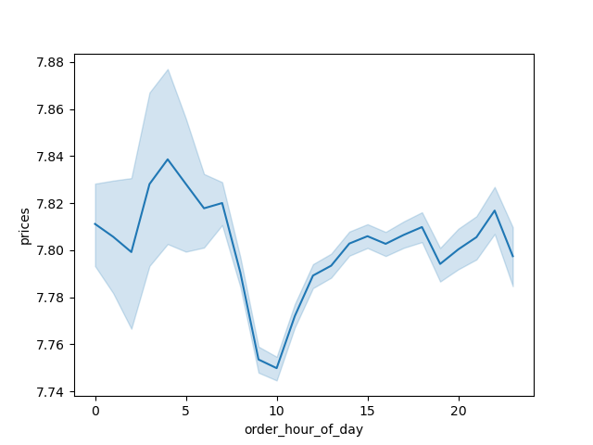

 |  |  |  |  | Chart 3: Prices by Order per Hour of Day
 |  |  |  |  | we can see clearly that people spend most of there money between 4:00 am 6:00 am.
 |  |  |  |  | After 6:00 am , the price's line dramatically declined and hit rock bottom between 9:00 and 10:00 am.
 |  |  |  |  | However, it started to icrease again after 10:00 am.

Key question
Instacart has a lot of products with different price tags. Marketing and sales want to
use simpler price range groupings to help direct their efforts.

 | Chart 4. shows the prices of the products. |  |  |  |  | chart 5. shows orders by pricing category.
 | the majority of the prices fall in the range of $2 to $15. |  |  |  |  | we can see clearly that the majority of customers prefer the mid range products
 |  |  |  |  |  | as well as the low range products as a second priority.

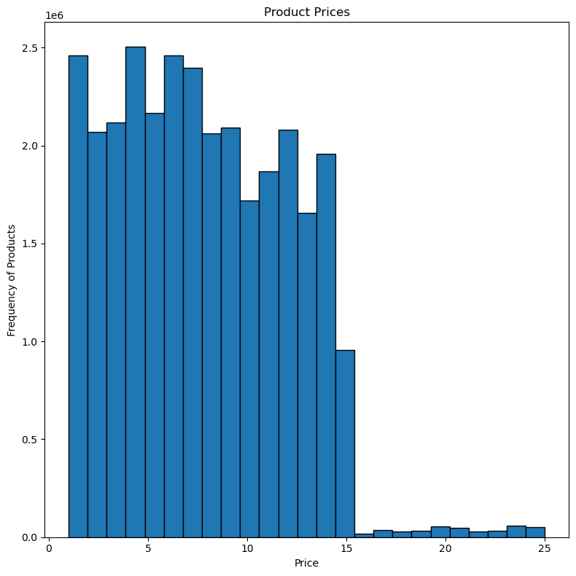
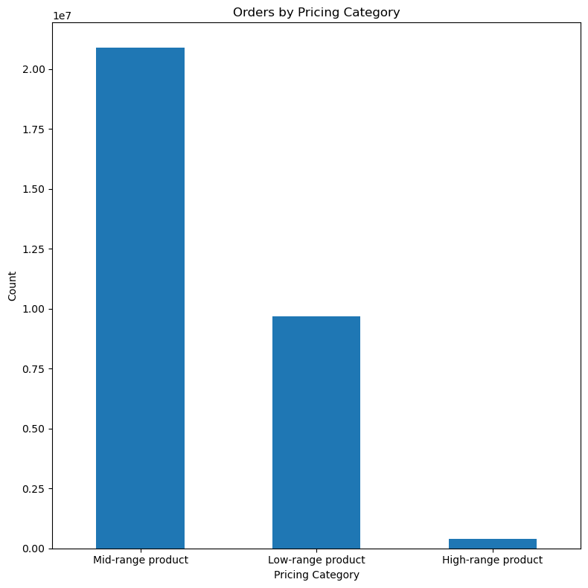

Key question
Are there certain types of products that are more popular than others? The marketing
and sales teams want to know which departments have the highest frequency of
product orders.

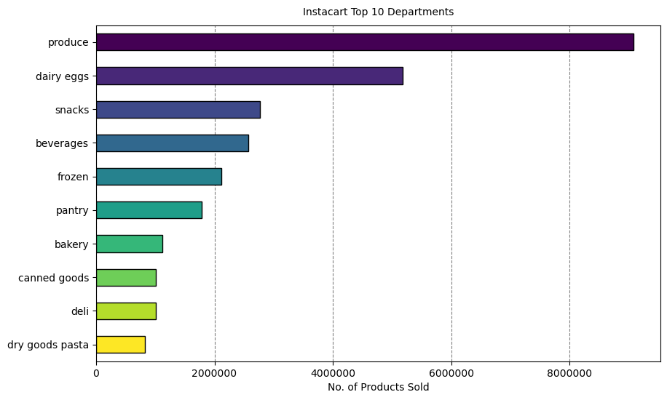

chart 6. shows the top 10 departments of Instacart.
it shows that the most ordered products are " produce" followed by
dairy eggs ans then snacks. The less ordered products are dry goods pasta and deli.

Key question
What’s the distribution among users in regards to their brand loyalty (i.e., how
often do they return to Instacart)?

 |  | Chart 7 & 8. show loyality customers comparison
 |  | pie chart shows that the majority of Instacart customers ( 51%)are reguler customers.
 |  | loyality customers make up 33 % and the new ones make up 15.5 %

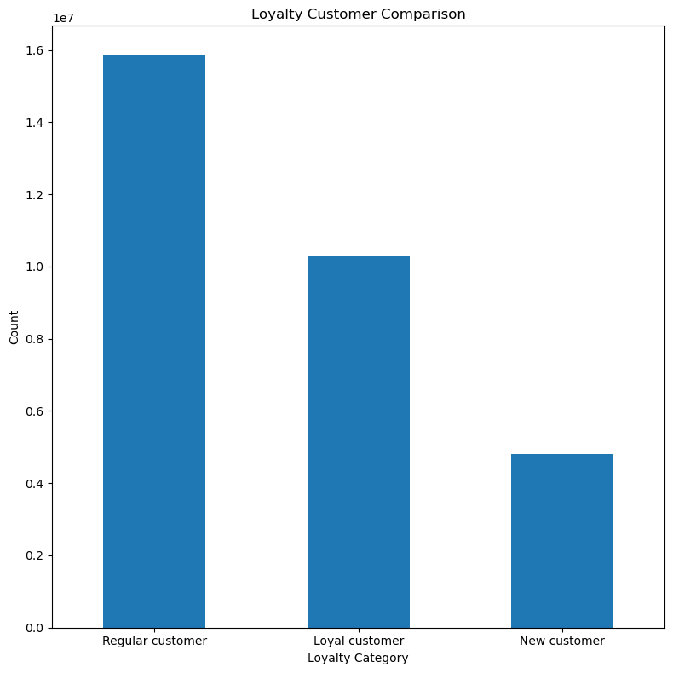
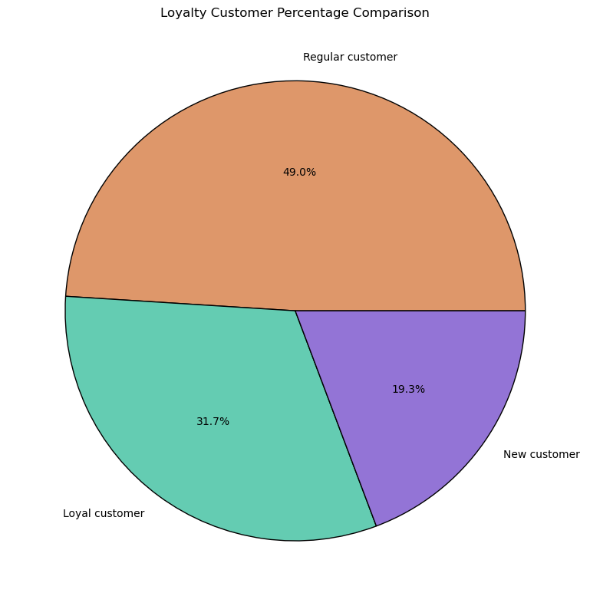

Key question
Are there differences in ordering habits based on a customer’s loyalty status?

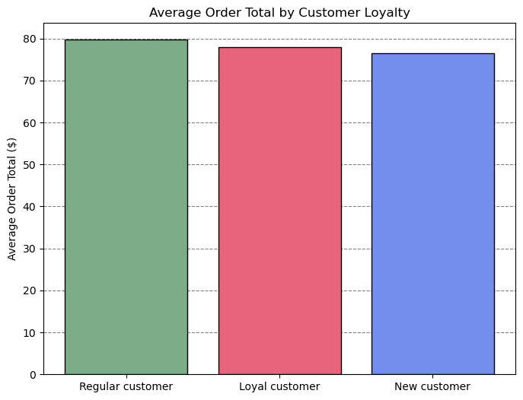
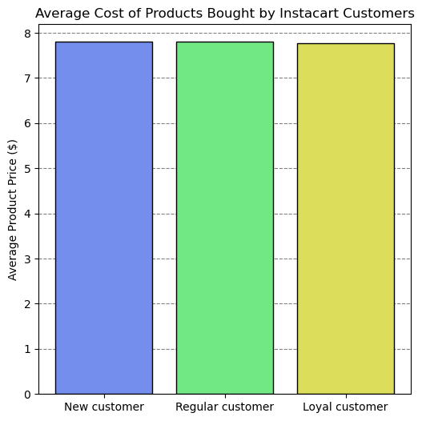
 |  |  |  |  |  |  | chart 9& 10
 |  |  |  |  |  |  | Both graphs show that the average order total and average product price are almost the same
 |  |  |  |  |  |  | among each loyalty group which might indicate that loyalty status is not an indicator of specific ordering pattern.
 |  |  |  |  |  |  | Though further analysis would be needed to investigate other ordering habits.

Key question
Are there differences in ordering habits based on a customer’s region?
 |  |  |  |  | Chart 11 & 12
 |  |  |  |  | we can conclude from both charts that the southern states contribute the most in instacart ordering habits compared to the other three regions.
 |  |  |  |  | It show also that the high to middle income in all four regions has an effect on ordering habits.

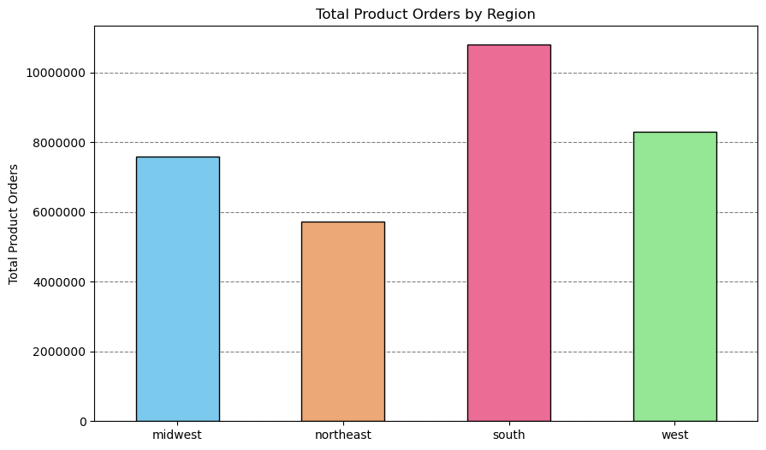
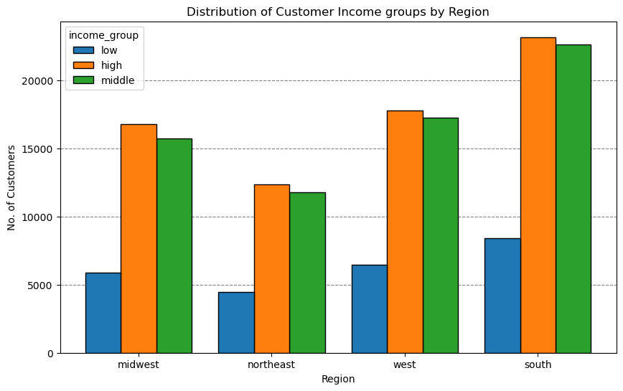

Key question
Is there a connection between age and family status in terms of ordering
habits?


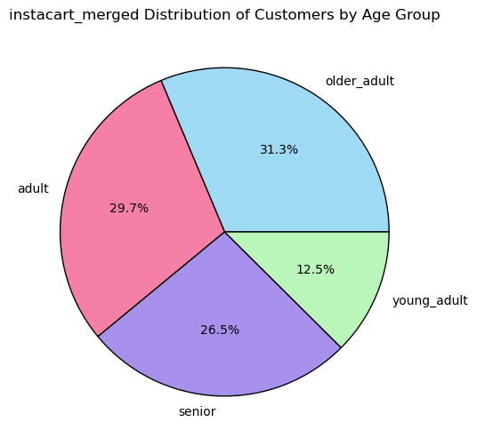

 |  |  |  |  |  |  |  |  | Charts 13, 14, 15, qnd 16
 |  |  |  |  |  |  |  |  | We can com=nclude ffrom all these charts that customers of age 40 and onward
 |  |  |  |  |  |  |  |  | contributed the most in instacart ordering habits since the income is higher
 |  |  |  |  |  |  |  |  | compared to other age groups. Charts schow also that the family status also
 |  |  |  |  |  |  |  |  | has an impact where the customers who are married as well as those who
 |  |  |  |  |  |  |  |  | have dependents contibuted the most in instcart.

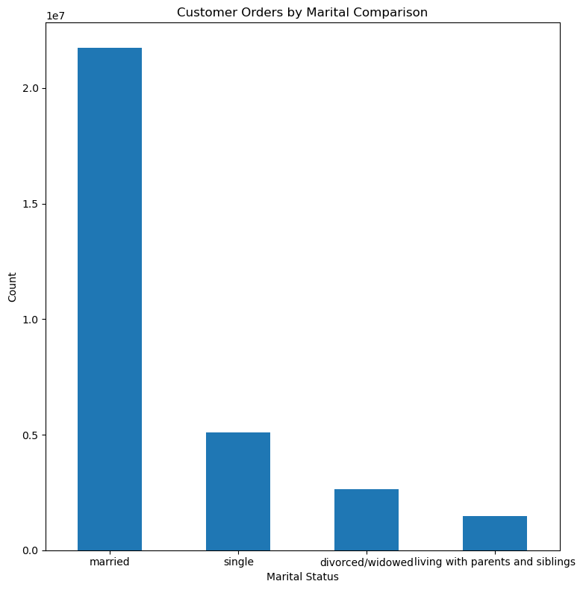
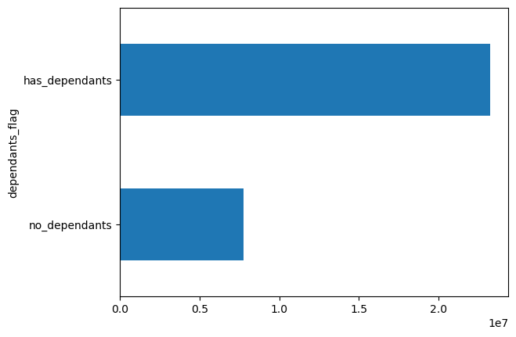

Key question
What differences can you find in ordering habits of different customer
profiles? Consider the price of orders, the frequency of orders, the products
customers are ordering, and anything else you can think of

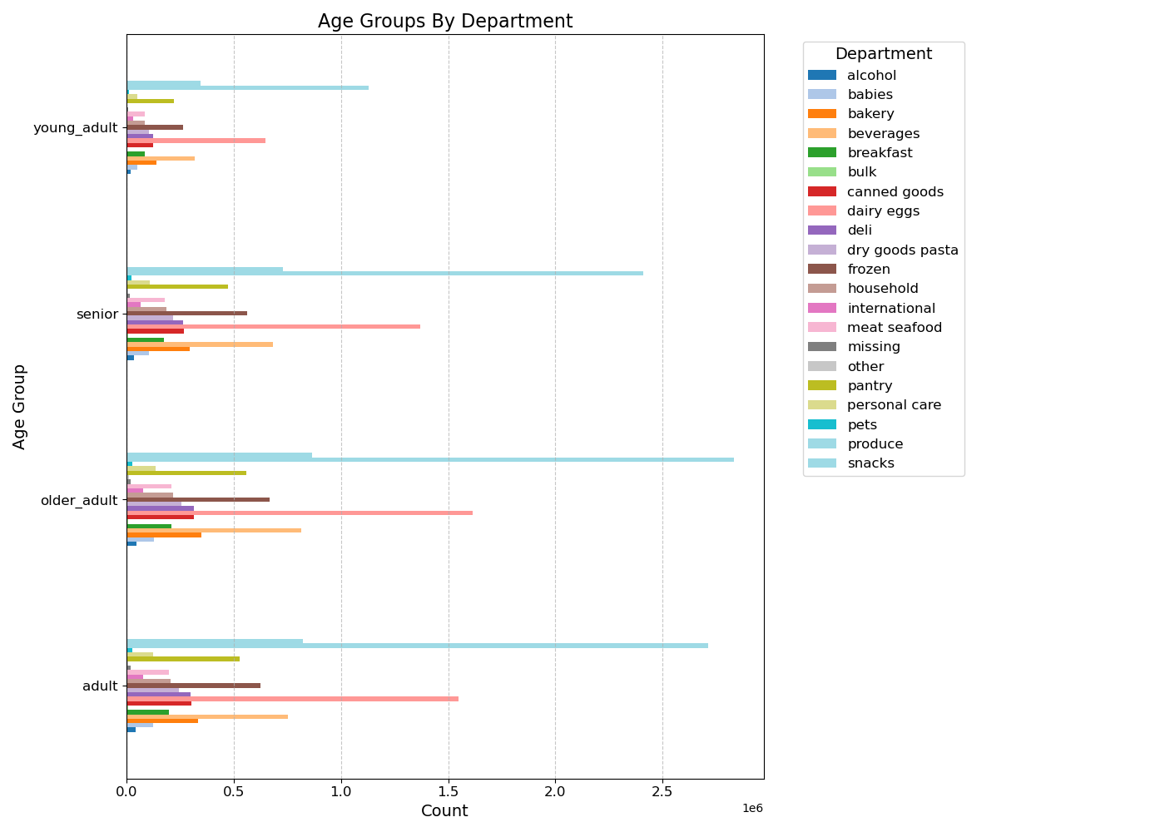

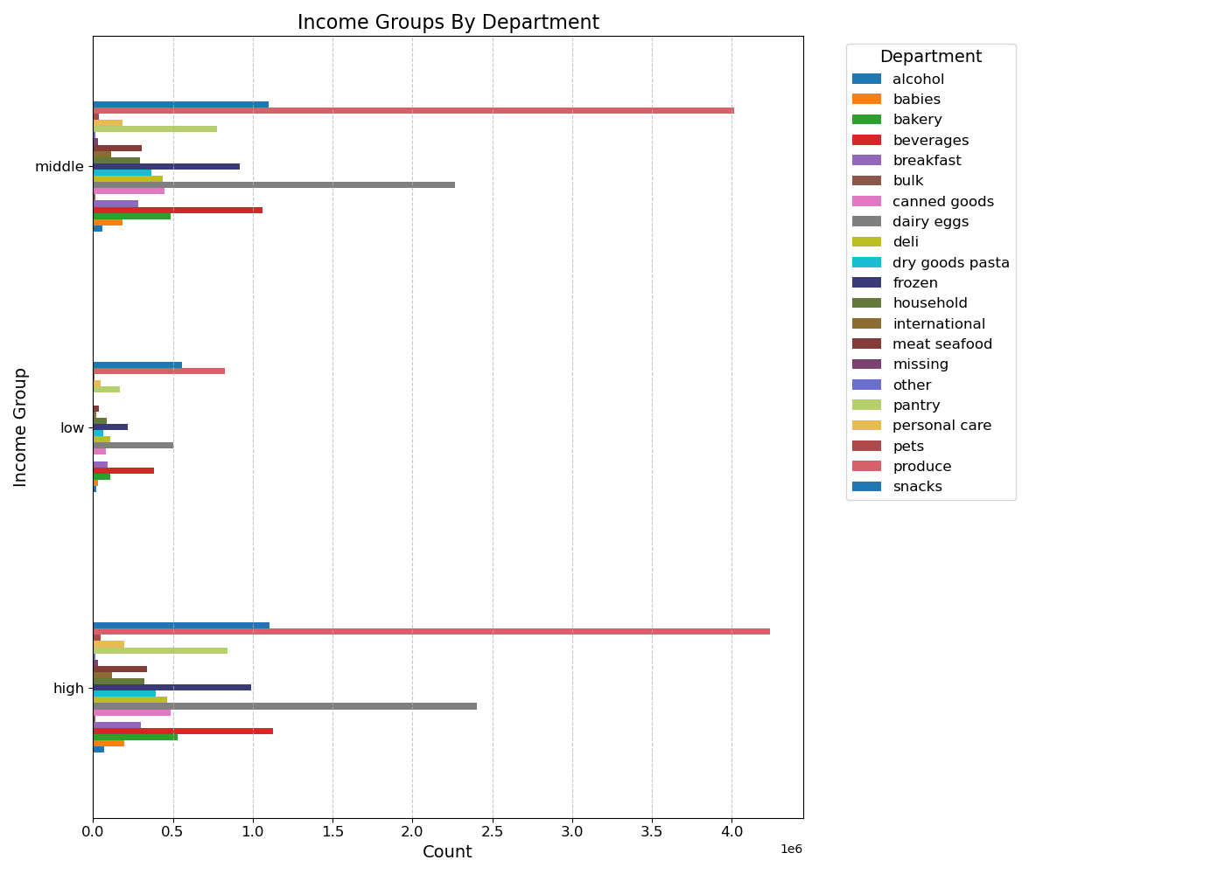

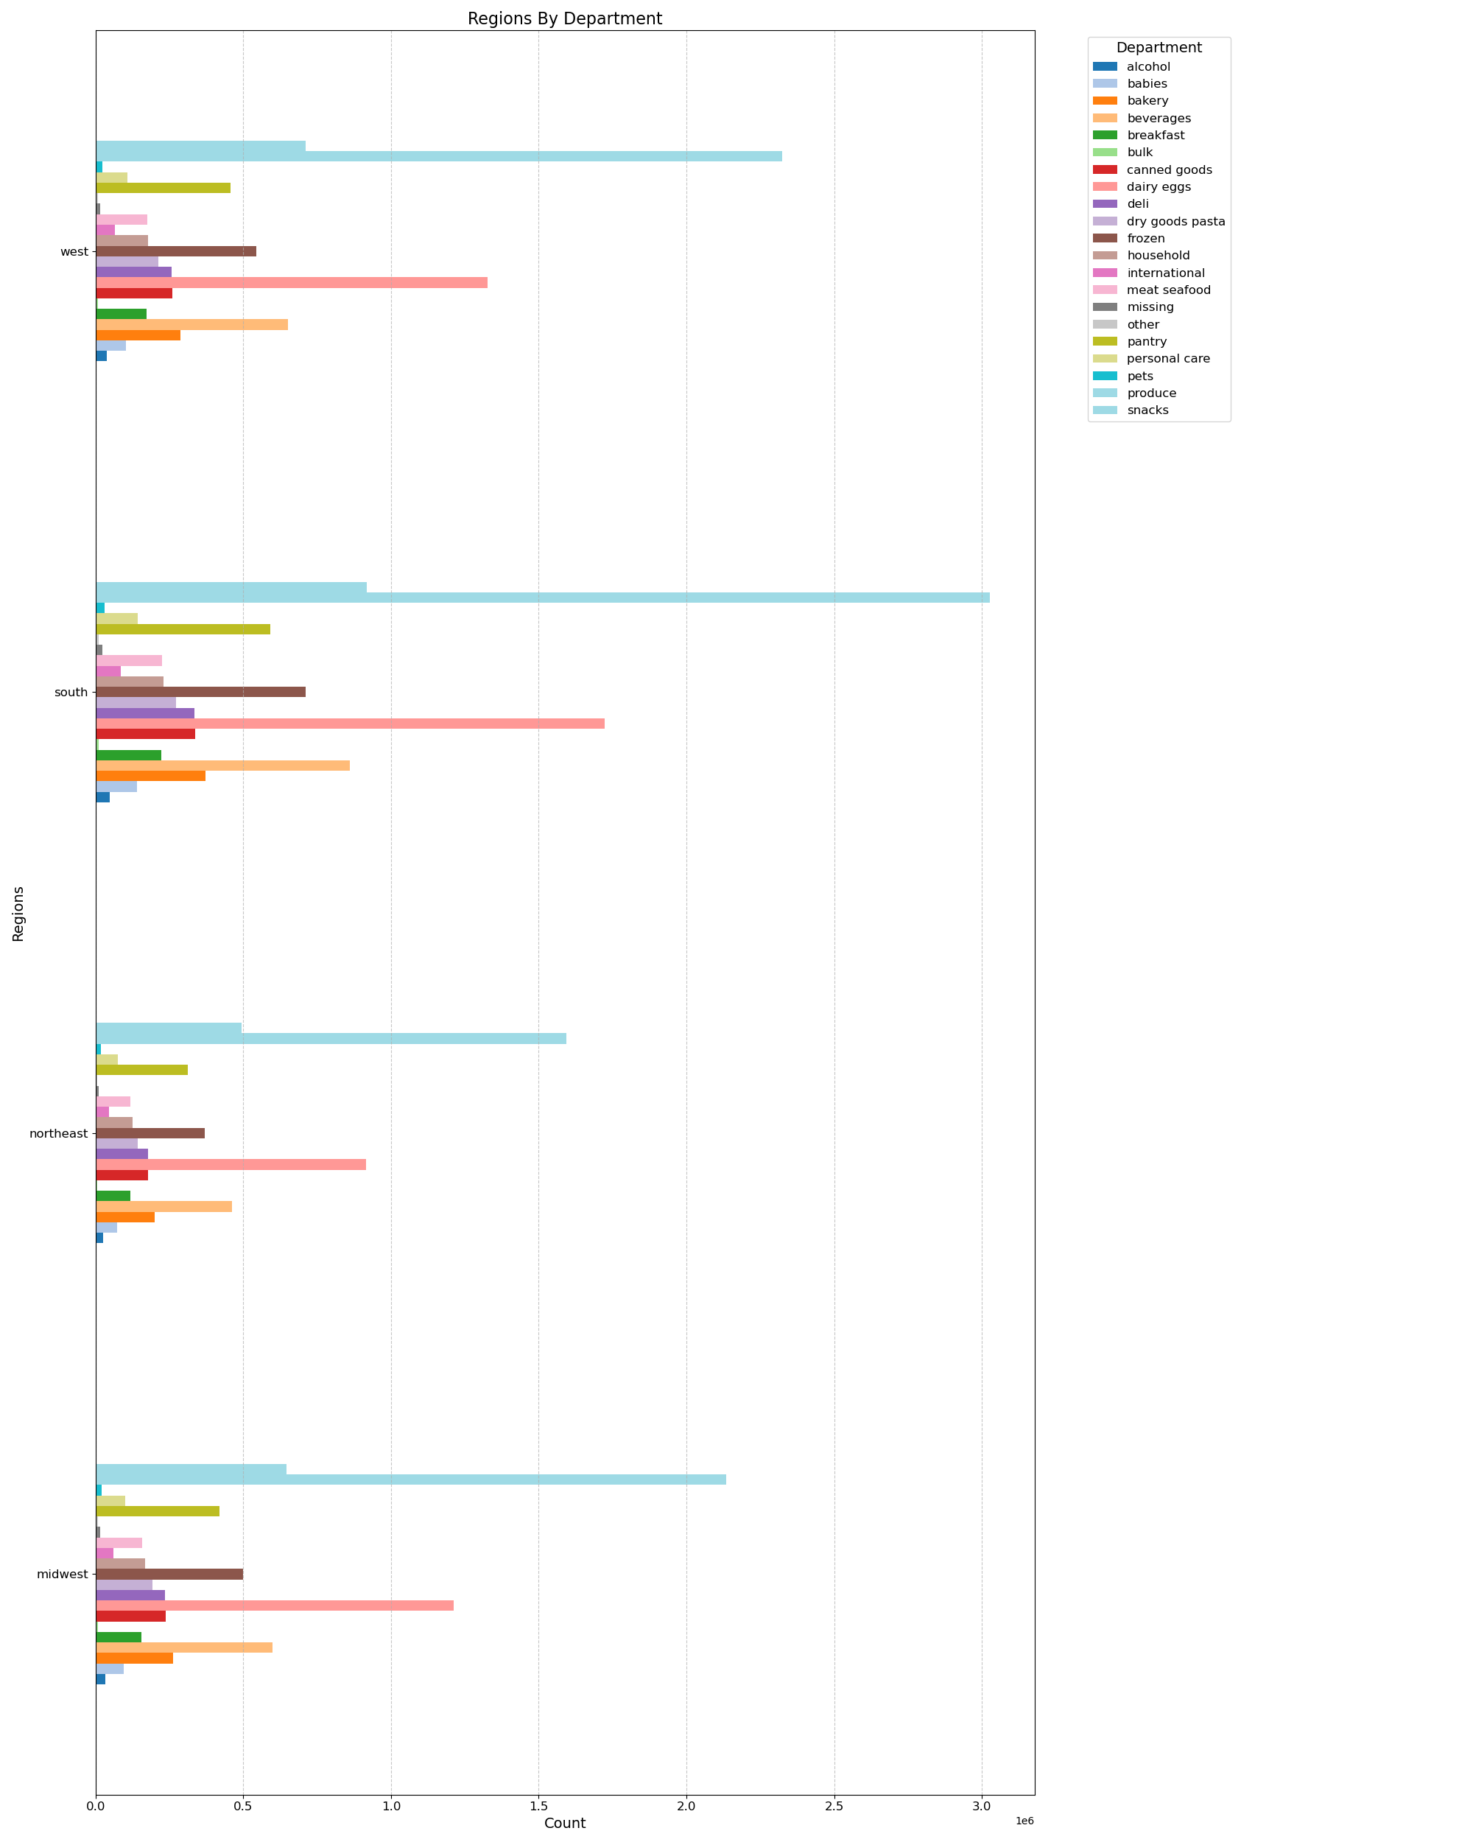

 |  |  | Conclusion of charts 17, 18 & 19
 |  |  | Based on the age group profile, we can see that the older adults (between 45-65) have the highest sales for both regular customers as well as loyal customers.
 |  |  | Looking at the Age groups by department, we can see that produce is the department across all age groups with the highest amount of sales, followed by dairy and eggs.
 |  |  | Department by Region also shows that the top 3 departments in terms of overall sales are produce, dairy eggs, and beverages.

 |  |  | When we review department sales by income groups, we still see produce as the department with the highest number of sales.
 |  |  | Looking at low income customers, we see that alcohol is the second highest department in terms of sales, compared to all other income groups where dairy and eggs are second

7. Recommendations
 |  |  | Title page

Recommendations

In this tab you should include any recommendations you would made to Instcart in terms of their marketing strategy based on the questions posed in the brief. Every key question has been covered in the Tasks of the Exercises - here you need to add an item - a visualisation or table/crosstable that is showing the answer in the data, acompanied by a comment from you. Please, list the questions below and add the answer underneath.

Question | Answer | Recommondation
1. What days of the week and hours of the day are busiest? | Saturday & Sunday / between 10am to 3pm. | schedule more ads on Tuesdays and Wednesdays. In addtion. Increasing ads from 12 AM to 5 AM on a daily basis.
2. What times of the day do people spend the most money? | people spend most of there money between 4:00 am and 6:00 am. it started to icrease again after 10:00 am | Instacart should focus on those times to advertise specific products.
3. Are there certain types of products that are more popular than others? | The top 5 products are produce, dairy and eggs, snacks, beverages and frozen food | Instacart should make special offers on those categories to keep drawing customers' attention and activity as well as run more ads on the other products
4. What's the distribution amoung users in regards to their brand loyalty? | regular customers make up the majority in instacard ordering habits compared to loyal and new custo,ers | Instacart should reward the regular customers and encourage the loyal and new customers to increase their activity.
5. Are there differences in ordering habits based on a customer's loyalty status? | Order spending habits showed no effect among loyalty status. Regular customers showed a relatively higher number of high-spenders, but that number is negligible compared to the other groups. | Instacart should develop new incentives, such as bonus points or discounts based on amount spent to encourage more customers to spend more money with Instacart.
6. Are there differences in ordering habits based on a customer's region? | The South region has the most customers in all age groups followed by the West, then the Midwest and lastly the Northeast. The majority of the customers buy mid-range products followed by low-range products | Instacart should focus more on customers in the West and the Midwest
7. Is there a connection between age and family status in terms of ordering habits? | 1. there is a positive correlation between age and income. Customers og age 40 and above spend more because of their higher income. | Instacart should make special offers and special promotions on those categories in order to increase their activity as well as they should draw attenion of young customers by making affordable prices on the most popular products of young people community.
 | 2. the most instacart customers are married and has dependents.

